Picture
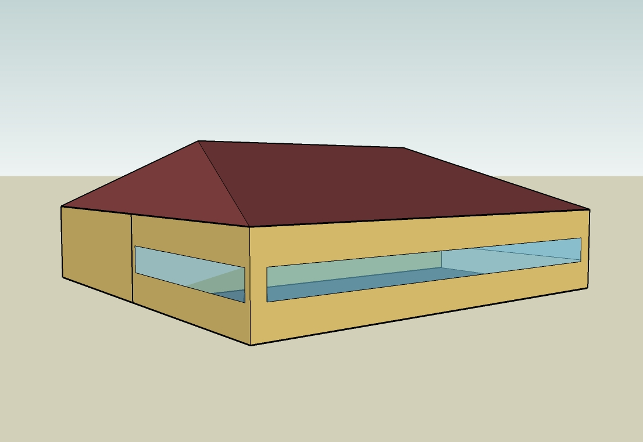
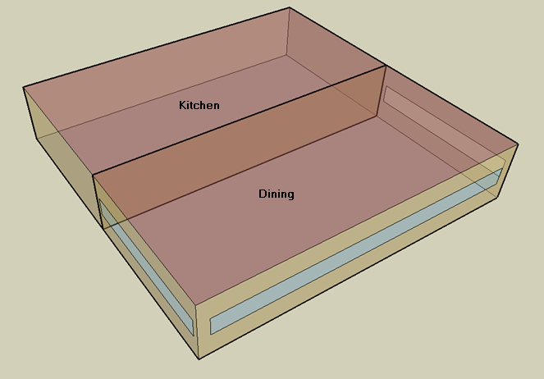
DOE Commercial Building Benchmark - Quick Service Restaurant

Electricity
 | Heating | Cooling | Interior Lighting | Exterior Lighting | Interior Equipment | Exterior Equipment | Fans | Refrigeration
Miami | 0.00 | 37,533.33 | 24,083.33 | 12,955.56 | 113,711.11 | 0.00 | 18,527.78 | 19,133.33
Houston | 0.00 | 24,711.11 | 24,083.33 | 12,933.33 | 113,711.11 | 0.00 | 16,858.33 | 18,272.22
Phoenix | 0.00 | 30,075.00 | 24,083.33 | 12,927.78 | 113,711.11 | 0.00 | 17,319.44 | 18,158.33
Atlanta | 0.00 | 12,683.33 | 24,083.33 | 12,950.00 | 113,711.11 | 0.00 | 16,850.00 | 17,405.56
Los Angeles | 0.00 | 3,541.67 | 24,083.33 | 12,947.22 | 113,711.11 | 0.00 | 17,419.44 | 17,430.56
Las Vegas | 0.00 | 21,841.67 | 24,083.33 | 12,936.11 | 113,711.11 | 0.00 | 17,047.22 | 17,541.67
San Francisco | 0.00 | 850.00 | 24,083.33 | 12,922.22 | 113,711.11 | 0.00 | 15,900.00 | 16,633.33
Baltimore | 0.00 | 9,344.44 | 24,083.33 | 12,936.11 | 113,711.11 | 0.00 | 16,050.00 | 16,852.78
Albuquerque | 0.00 | 8,452.78 | 24,083.33 | 12,933.33 | 113,711.11 | 0.00 | 17,408.33 | 16,752.78
Seattle | 0.00 | 1,252.78 | 24,083.33 | 12,913.89 | 113,711.11 | 0.00 | 15,950.00 | 16,297.22
Chicago | 0.00 | 6,363.89 | 24,083.33 | 12,916.67 | 113,711.11 | 0.00 | 16,125.00 | 16,472.22
Boulder | 0.00 | 5,213.89 | 24,083.33 | 12,919.44 | 113,711.11 | 0.00 | 16,863.89 | 16,322.22
Minneapolis | 0.00 | 5,463.89 | 24,083.33 | 12,927.78 | 113,711.11 | 0.00 | 15,952.78 | 16,313.89
Helena | 0.00 | 2,930.56 | 24,083.33 | 12,911.11 | 113,711.11 | 0.00 | 16,361.11 | 15,952.78
Duluth | 0.00 | 1,722.22 | 24,083.33 | 12,908.33 | 113,711.11 | 0.00 | 15,630.56 | 15,722.22
Fairbanks | 0.00 | 658.33 | 24,083.33 | 12,830.56 | 113,711.11 | 0.00 | 15,866.67 | 15,366.67

Gas
 | Heating | Interior Equipment | Water Systems
Miami | 5,600.00 | 563,910.00 | 56,340.00
Houston | 89,610.00 | 563,910.00 | 65,930.00
Phoenix | 60,700.00 | 563,910.00 | 60,420.00
Atlanta | 177,310.00 | 563,910.00 | 75,170.00
Los Angeles | 42,540.00 | 563,910.00 | 73,380.00
Las Vegas | 106,350.00 | 563,910.00 | 67,060.00
San Francisco | 132,890.00 | 563,910.00 | 81,280.00
Baltimore | 321,140.00 | 563,910.00 | 82,430.00
Albuquerque | 209,710.00 | 563,910.00 | 81,050.00
Seattle | 268,510.00 | 563,910.00 | 86,210.00
Chicago | 465,210.00 | 563,910.00 | 88,800.00
Boulder | 322,710.00 | 563,910.00 | 88,470.00
Minneapolis | 619,720.00 | 563,910.00 | 94,310.00
Helena | 494,520.00 | 563,910.00 | 95,310.00
Duluth | 779,110.00 | 563,910.00 | 103,390.00
Fairbanks | 1,314,110.00 | 563,910.00 | 114,380.00

EUI
 | Cooling (elec) | Interior Lighting (elec) | Exterior Lighting (elec) | Interior Equipment (elec) | Fans (elec) | Refrigeration (elec) | Heating (gas) | Interior Equipment (gas) | Water Systems (gas)
Miami | 581.56 | 373.16 | 200.74 | 1761.90 | 287.08 | 296.46 | 24.10 | 2427.09 | 242.49
Houston | 382.89 | 373.16 | 200.40 | 1761.90 | 261.21 | 283.12 | 385.68 | 2427.09 | 283.77
Phoenix | 466.00 | 373.16 | 200.31 | 1761.90 | 268.36 | 281.35 | 261.26 | 2427.09 | 260.05
Atlanta | 196.52 | 373.16 | 200.65 | 1761.90 | 261.08 | 269.69 | 763.15 | 2427.09 | 323.53
Los Angeles | 54.88 | 373.16 | 200.61 | 1761.90 | 269.91 | 270.08 | 183.09 | 2427.09 | 315.83
Las Vegas | 338.43 | 373.16 | 200.44 | 1761.90 | 264.14 | 271.80 | 457.73 | 2427.09 | 288.63
San Francisco | 13.17 | 373.16 | 200.22 | 1761.90 | 246.36 | 257.73 | 571.96 | 2427.09 | 349.83
Baltimore | 144.79 | 373.16 | 200.44 | 1761.90 | 248.69 | 261.13 | 1382.20 | 2427.09 | 354.78
Albuquerque | 130.97 | 373.16 | 200.40 | 1761.90 | 269.73 | 259.58 | 902.60 | 2427.09 | 348.84
Seattle | 19.41 | 373.16 | 200.09 | 1761.90 | 247.14 | 252.52 | 1155.68 | 2427.09 | 371.05
Chicago | 98.61 | 373.16 | 200.14 | 1761.90 | 249.85 | 255.23 | 2002.28 | 2427.09 | 382.20
Boulder | 80.79 | 373.16 | 200.18 | 1761.90 | 261.30 | 252.91 | 1388.96 | 2427.09 | 380.78
Minneapolis | 84.66 | 373.16 | 200.31 | 1761.90 | 247.18 | 252.78 | 2667.30 | 2427.09 | 405.91
Helena | 45.41 | 373.16 | 200.05 | 1761.90 | 253.51 | 247.18 | 2128.43 | 2427.09 | 410.22
Duluth | 26.69 | 373.16 | 200.01 | 1761.90 | 242.19 | 243.61 | 3353.32 | 2427.09 | 444.99
Fairbanks | 10.20 | 373.16 | 198.80 | 1761.90 | 245.85 | 238.10 | 5655.98 | 2427.09 | 492.30

Water
 | Total Building | Water for Electricity (m3)
Miami | 414.19 | 119.70
Houston | 414.19 | 342.62
Phoenix | 414.19 | 6,424.40
Atlanta | 414.19 | 1,234.27
Los Angeles | 414.19 | 3,320.80
Las Vegas | 414.19 | 5,683.32
San Francisco | 414.19 | 3,232.45
Baltimore | 414.19 | 43.81
Albuquerque | 414.19 | 877.94
Seattle | 414.19 | 1,882.04
Chicago | 414.19 | 294.27
Boulder | 414.19 | 858.73
Minneapolis | 414.19 | 292.38
Helena | 414.19 | 11,779.00
Duluth | 414.19 | 285.12
Fairbanks | 414.19 | 186.48

Carbon
 | Carbon Equivalent (kg)
Miami | 73,251.76
Houston | 83,211.69
Phoenix | 77,641.98
Atlanta | 75,615.92
Los Angeles | 34,362.71
Las Vegas | 83,166.95
San Francisco | 35,546.28
Baltimore | 69,522.37
Albuquerque | 94,393.17
Seattle | 29,982.20
Chicago | 121,284.79
Boulder | 94,836.63
Minneapolis | 87,551.32
Helena | 88,759.03
Duluth | 88,988.77
Fairbanks | 87,287.65

LghtSch
Lighting Schedules
 | Weekday | Saturday | Sunday
 | 0.45 | 0.45 | 0.45
 | 0.15 | 0.15 | 0.15
 | 0.15 | 0.15 | 0.15
 | 0.15 | 0.15 | 0.15
 | 0.15 | 0.15 | 0.15
 | 0.45 | 0.45 | 0.45
 | 0.9 | 0.9 | 0.9
 | 0.9 | 0.9 | 0.9
 | 0.9 | 0.9 | 0.9
 | 0.9 | 0.9 | 0.9
 | 0.9 | 0.9 | 0.9
 | 0.9 | 0.9 | 0.9
 | 0.9 | 0.9 | 0.9
 | 0.9 | 0.9 | 0.9
 | 0.9 | 0.9 | 0.9
 | 0.9 | 0.9 | 0.9
 | 0.9 | 0.9 | 0.9
 | 0.9 | 0.9 | 0.9
 | 0.9 | 0.9 | 0.9
 | 0.9 | 0.9 | 0.9
 | 0.9 | 0.9 | 0.9
 | 0.9 | 0.9 | 0.9
 | 0.9 | 0.9 | 0.9
 | 0.9 | 0.9 | 0.9

KitchElecSch
Kitchen Equipment Schedules
 | Weekday | Saturday | Sunday
 | 0.1 | 0.1 | 0.1
 | 0.1 | 0.1 | 0.1
 | 0.1 | 0.1 | 0.1
 | 0.1 | 0.1 | 0.1
 | 0.1 | 0.1 | 0.1
 | 0.1 | 0.1 | 0.1
 | 0.35 | 0.35 | 0.35
 | 0.35 | 0.35 | 0.35
 | 0.25 | 0.25 | 0.25
 | 0.25 | 0.25 | 0.25
 | 0.35 | 0.35 | 0.35
 | 0.35 | 0.35 | 0.35
 | 0.35 | 0.35 | 0.35
 | 0.35 | 0.35 | 0.35
 | 0.25 | 0.25 | 0.25
 | 0.25 | 0.25 | 0.25
 | 0.25 | 0.25 | 0.25
 | 0.35 | 0.35 | 0.35
 | 0.35 | 0.35 | 0.35
 | 0.35 | 0.35 | 0.35
 | 0.25 | 0.25 | 0.25
 | 0.25 | 0.25 | 0.25
 | 0.25 | 0.25 | 0.25
 | 0.25 | 0.25 | 0.25

KitchGasSch
Kitchen Gas Equipment Schedule
 | 0.02
 | 0.02
 | 0.02
 | 0.02
 | 0.02
 | 0.03
 | 0.09
 | 0.14
 | 0.1
 | 0.1
 | 0.22
 | 0.27
 | 0.24
 | 0.21
 | 0.14
 | 0.13
 | 0.15
 | 0.17
 | 0.17
 | 0.17
 | 0.15
 | 0.14
 | 0.12
 | 0.02

DinHeatSch
Dining Heating Set Point Schedules
 | Weekday | Saturday | Sunday
 | 21 | 21 | 21
 | 15.6 | 15.6 | 15.6
 | 15.6 | 15.6 | 15.6
 | 15.6 | 15.6 | 15.6
 | 15.6 | 15.6 | 15.6
 | 21 | 21 | 21
 | 21 | 21 | 21
 | 21 | 21 | 21
 | 21 | 21 | 21
 | 21 | 21 | 21
 | 21 | 21 | 21
 | 21 | 21 | 21
 | 21 | 21 | 21
 | 21 | 21 | 21
 | 21 | 21 | 21
 | 21 | 21 | 21
 | 21 | 21 | 21
 | 21 | 21 | 21
 | 21 | 21 | 21
 | 21 | 21 | 21
 | 21 | 21 | 21
 | 21 | 21 | 21
 | 21 | 21 | 21
 | 21 | 21 | 21

DinCoolSch
Dining Cooling Set Point Schedules
 | Weekday | Saturday | Sunday
 | 24 | 24 | 24
 | 30 | 30 | 30
 | 30 | 30 | 30
 | 30 | 30 | 30
 | 30 | 30 | 30
 | 24 | 24 | 24
 | 24 | 24 | 24
 | 24 | 24 | 24
 | 24 | 24 | 24
 | 24 | 24 | 24
 | 24 | 24 | 24
 | 24 | 24 | 24
 | 24 | 24 | 24
 | 24 | 24 | 24
 | 24 | 24 | 24
 | 24 | 24 | 24
 | 24 | 24 | 24
 | 24 | 24 | 24
 | 24 | 24 | 24
 | 24 | 24 | 24
 | 24 | 24 | 24
 | 24 | 24 | 24
 | 24 | 24 | 24
 | 24 | 24 | 24

KitchHeatSch
Kitchen Heating Set Point Schedules
 | Weekday | Saturday | Sunday
 | 19 | 19 | 19
 | 15.6 | 15.6 | 15.6
 | 15.6 | 15.6 | 15.6
 | 15.6 | 15.6 | 15.6
 | 15.6 | 15.6 | 15.6
 | 19 | 19 | 19
 | 19 | 19 | 19
 | 19 | 19 | 19
 | 19 | 19 | 19
 | 19 | 19 | 19
 | 19 | 19 | 19
 | 19 | 19 | 19
 | 19 | 19 | 19
 | 19 | 19 | 19
 | 19 | 19 | 19
 | 19 | 19 | 19
 | 19 | 19 | 19
 | 19 | 19 | 19
 | 19 | 19 | 19
 | 19 | 19 | 19
 | 19 | 19 | 19
 | 19 | 19 | 19
 | 19 | 19 | 19
 | 19 | 19 | 19

KitchCoolSch
Kitchen Cooling Set Point Schedules
 | Weekday | Saturday | Sunday
 | 26 | 26 | 26
 | 30 | 30 | 30
 | 30 | 30 | 30
 | 30 | 30 | 30
 | 30 | 30 | 30
 | 26 | 26 | 26
 | 26 | 26 | 26
 | 26 | 26 | 26
 | 26 | 26 | 26
 | 26 | 26 | 26
 | 26 | 26 | 26
 | 26 | 26 | 26
 | 26 | 26 | 26
 | 26 | 26 | 26
 | 26 | 26 | 26
 | 26 | 26 | 26
 | 26 | 26 | 26
 | 26 | 26 | 26
 | 26 | 26 | 26
 | 26 | 26 | 26
 | 26 | 26 | 26
 | 26 | 26 | 26
 | 26 | 26 | 26
 | 26 | 26 | 26

